Supplemental Figure 1
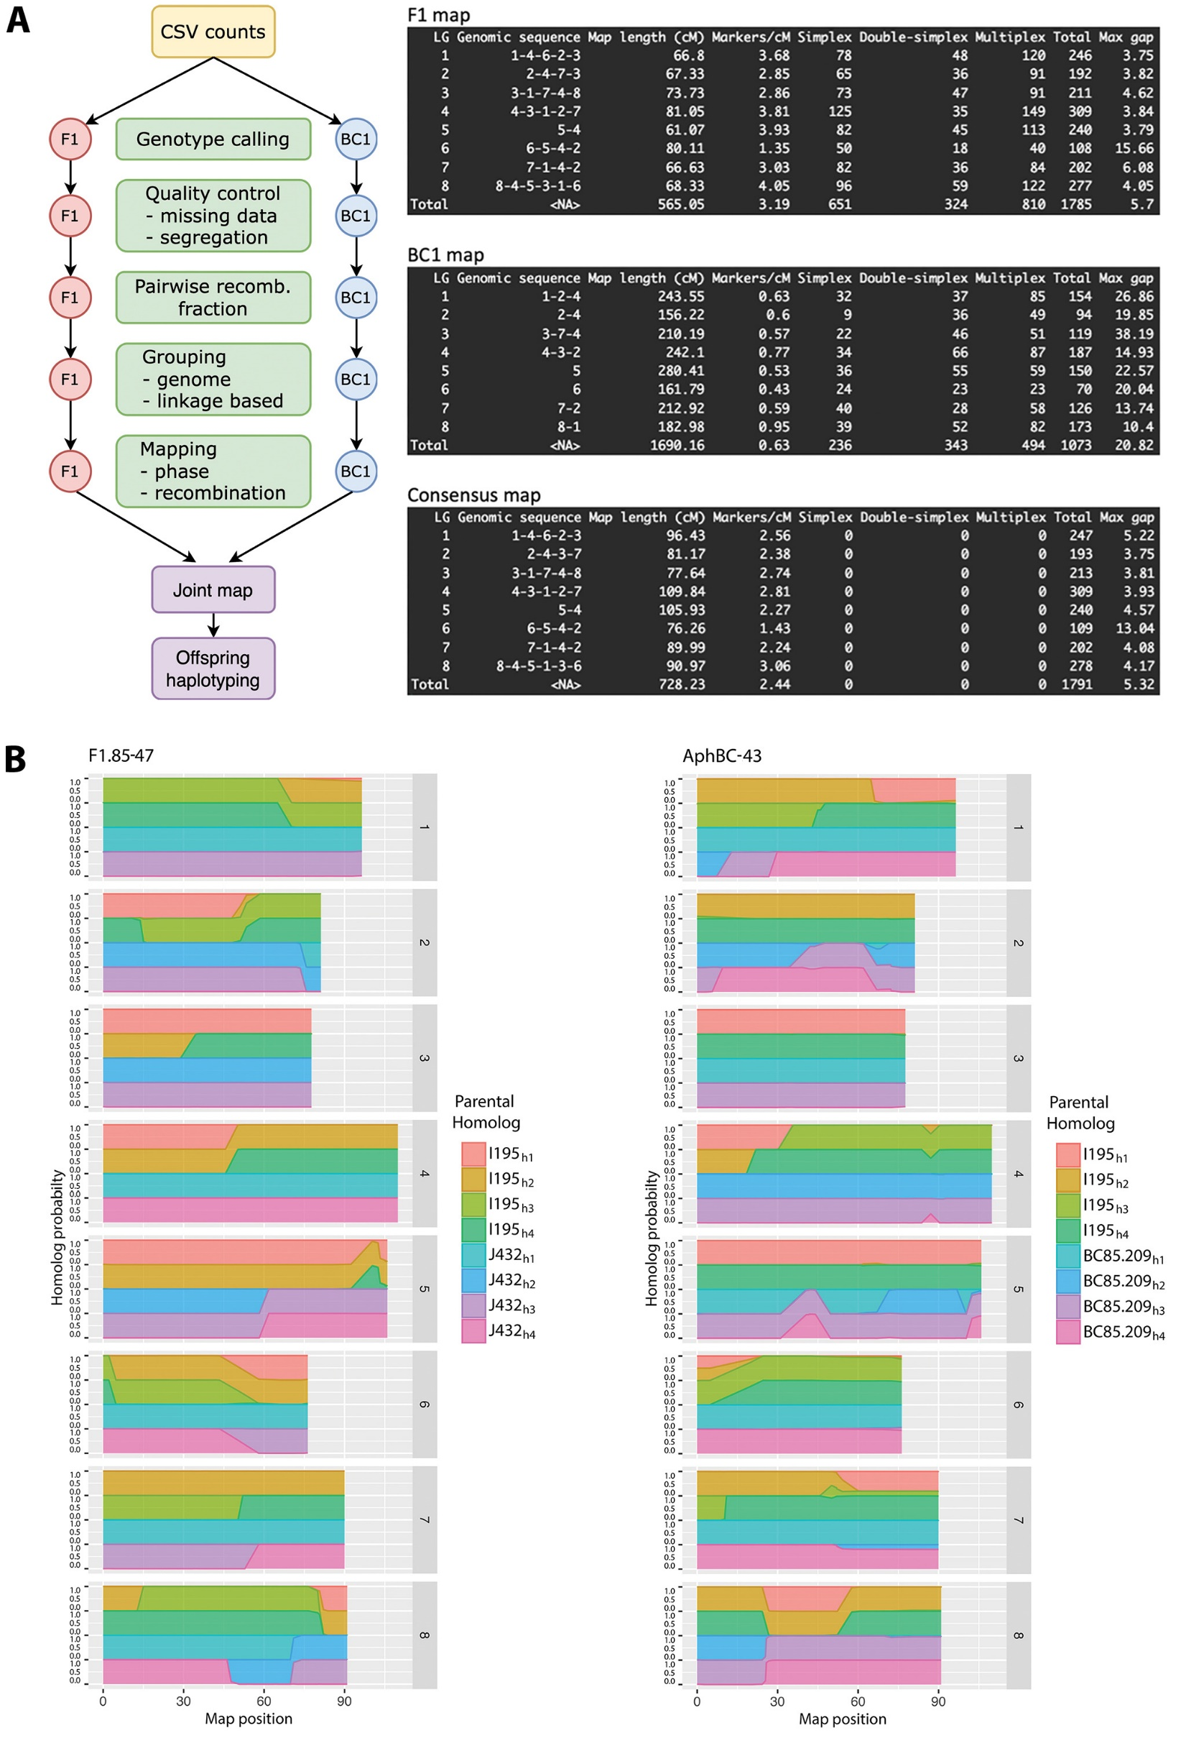
Supplemental Figure 1
Alfalfa Genetic map construction for an F1, BC1, and a joint map of the consensus. A) Pipeline workflow for F1, BC1, and a joint map and summary of final map. B) Example haplotype reconstructions from MAPpoly for one individual from the F1 population (F1.85-47 ) and one from the BC1 population (AphBC-43).

Supplemental Figure 2
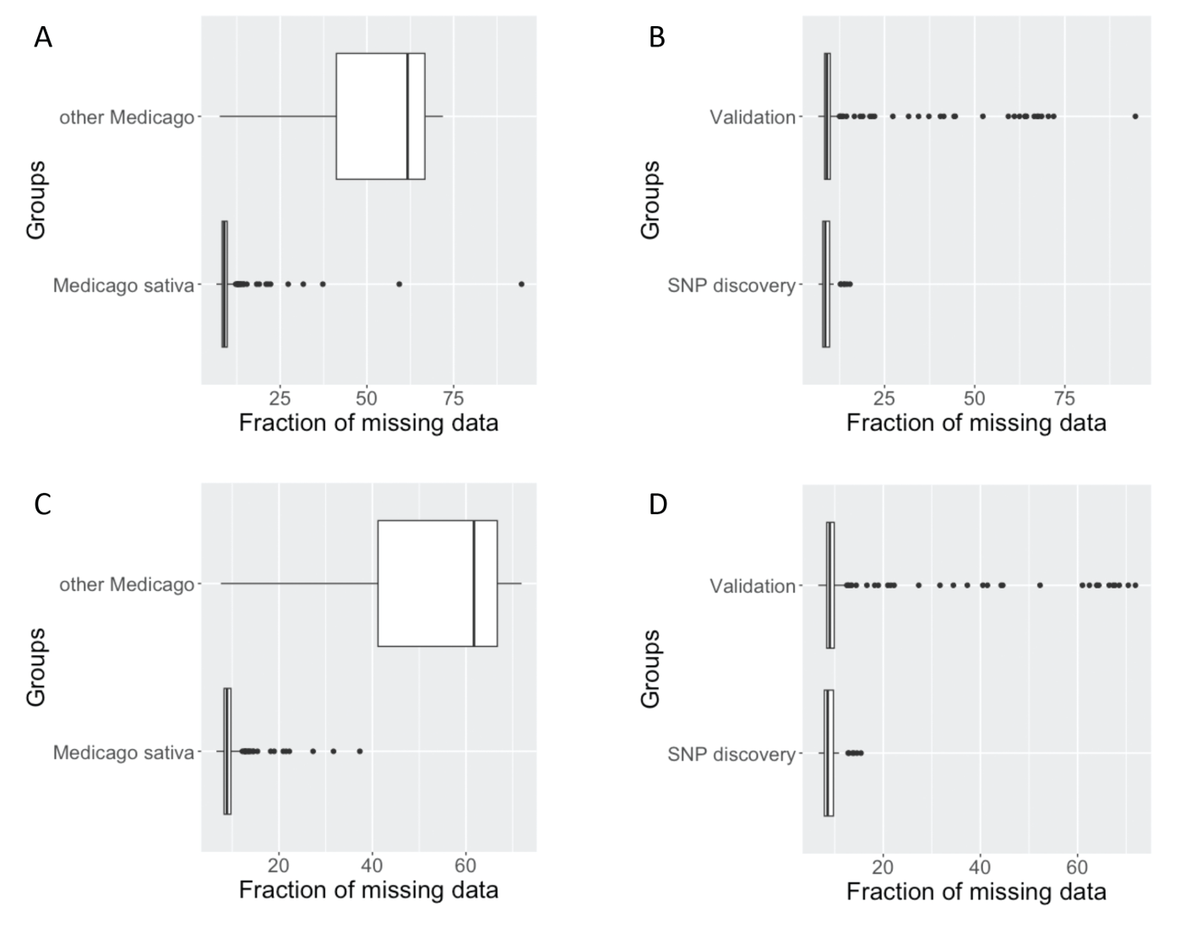
Supplemental Figure 2
Missing data rates for different grouped subsets of genetic material. A and C) Missing data rates in Medicago sativa compared to other Medicago spp. tested for A) all samples, and C) after removing samples with poor DNA quality. B and D) Missing data rates in germplasm used for SNP discovery compared to germplasm that was used to validate the 3K panel for B) all samples and D) after removing samples that had poor DNA quality.

